Company Summary
Ticker | Company Name | Data Scale | Asset Class | Investment Sector | Industry | Portfolio Percentage | Return | Description and Long-term Benefit | Special Note
AMZN | Amazon | May 14, 1997 - Sep 25, 2020 | Public Equity | Foreign Big | Technology | 1.87% | 37.00%
AAL.L | Anglo American plc | May 23, 1999 - Sep 28, 2020 | Public Equity | Manufacture | Mining | 0.03% | 9.70%
ABF.L | Associated British Foods plc | Jun 30, 1988 - Sep 28, 2020 | Public Equity | Local Champion | Retail | 0.35% | 10.50%
AZN.L | AstraZeneca PLC | May 20 1993 - Sep 25, 2020 | Public Equity | Manufacture | Pharmaceutical | 0.63% | 16.60%
 | Augmentum Fintech PLC | Mar 11, 2018 - Sep 28, 2020 | Private Equity | Startup | Fintech | 2.08% | 1.40% | Augmentum Fintech is a venture capital fund with a focus in fast growing and/or high potential FinTech companies in the UK and Europe.
FGP.L | Avanti West Coast ( Firstgroup PLC) | Jun 18, 1995 - Sep 25, 2020 | Public Equity | Infrastructure | Railway | -0.84% | -7.60%
BBYL.TA | Babylon Ltd. | Feb 28, 2007 - Sep 28, 2020 | Private Equity | Startup | Technology | 2.08% | 2.10% | Our team has been recruited from over 60 different countries and is working on making healthcare delivery affordable and accessible. By combining the ever-growing power of AI with the best medical expertise of humans, Babylon can deliver unparalleled access to healthcare, including personalised health assessments, treatment advice and face-to-face appointments with a doctor 24/7.
BBY.L | Balfour Beatty | Jun 30, 1988 - Sep 25, 2020 | Public Equity | SME | Construction | -0.42% | 6.70%
 | Benevolent AI |  | Private Equity | Startup | Technology | 2.08% | 2.10% | BenevolentAI has developed Artificial Intelligence and machine learning technology to speed up scientific discovery via mass analysis of scientific data. BenevolentAI has active R&D drug programmes from discovery to PhaseIIb in disease areas such as ALS, Parkinson’s, Glioblastoma, and Sarcopenia.
BP | BP plc | Jan 02, 1977 - Sep 25, 202 | Public Equity | Global Champion | Fuel | -0.21% | 1.50%
 | British steel ltd |  | Private Equity | Manufacture | Steel | 2.08% | 2.30%
BT-A.L | BT Group plc | Jun 30, 1988 - Sep 28, 2020 | Public Equity | Global Champion | Telecommunication | -0.08% | 4.30%
SRP.L | Calendonian Sleeper (Serco Group PLC) | Jun 30, 1988 - Sep 25, 2020 | Public Equity | Infrastructure | Railway | -0.86% | -5.60% |  | 被中国Jingye group收购
CCEP.L | Coca-Cola European Partners | Mar 27, 2019 - Sep 28, 2020 | Private Equity | Manufacture | Berverage | 2.08% | 1.50%
CPG.L | Compass Group PLC | Jan 03, 2000 - Sep 28, 2020 | Public Equity | Local Champion | Service | 1.57% | 12.10%
DMGT.L | Daily Mail and General Trust plc | Jun 30, 1988 - Sep 25, 2020 | Public Equity | Impact Investing | Media | -0.18% | 9.70%
 | Deliveroo |  | Private Equity | Startup | Service | 2.08% | 1.50% | Deliveroo owns and operates an online food delivery platform in the United Kingdom. The company works with over 80,000 restaurants and takeaways and 60,000 riders. Headquartered in London, the company has over 2,500 employees across the world. It operates in 500 cities and towns across 14 countries.
DGEAF | Diageo plc | Feb 12, 2009 - Sep 28, 2020 | Public Equity | Manufacture | Berverage | 1.13% | 11.50%
 | Ecotricity |  | Private Equity | Impact Investing | Clean Energy | 2.08% | 3.20%
 | Elvie |  | Private Equity | Startup | Healthtech | 2.08% | 0.20% | The health tech startup Elvie develops smarter technology to improve the health and lives of women everywhere and at all stages of life. Founded in 2013, Elvie’s first product, Elvie Trainer, is an award-winning app-connected Kegel trainer that helps women strengthen their pelvic floor using fun, five-minute workouts with real-time biofeedback. On the other hand, the femtech company launched its second innovation, Elvie Pump, the world’s first silent wearable breast pump, which creates an entirely new pumping experience that offers women complete freedom and mobility.
EVR.L | EVRAZ plc | Nov 06, 2011 - Sep 28, 2020 | Private Equity | Manufacture | Mining | 2.08% | 2.60%
GFRD.L | Galliford Try PLC | Jun 30, 1988 - Sep 25, 2020 | Public Equity | SME | Construction | 1.18% | 96.60%
 | Greenergy |  | Private Equity | Impact Investing | Fuel | 2.08% | 0.80%
INF.L | Informa plc | Jun 30, 1988 - Sep 25, 2020 | Public Equity | Impact Investing | Media | 0.31% | 7.50%
 | John Lewis Partnership |  | Private Equity | Local Champion | Retail | 2.08% | 2.00%
KIE.L | Kier Group PLC | Dec 11, 1996 - Sep 25, 2020 | Public Equity | SME | Construction | -0.69% | -10.80%
LGEN.L | Legal & General Group Plc | Jun 30, 1988 - Sep 28, 2020 | Public Equity | Global Champion | Insurance | 1.62% | 17.40%
NG.L | National Grid plc | Dec 10, 1995 - Sep 28, 2020 | Public Equity | Manufacture | Fuel | 0.54% | 10.90%
 | Octopus Energy |  | Private Equity | Impact Investing | Clean Energy | 2.08% | 3.20%
 | Ovo Energy |  | Private Equity | Impact Investing | Clean Energy | 2.08% | 3.20%
 | Plan International |  | Private Equity | Impact Investing | NPO | 2.08% | 0.00%
 | Revolut |  | Private Equity | Startup | Fintech | 2.08% | 1.40% | Revolut is a digital banking alternative that includes a pre-paid debit card, currency exchange, and peer-to-peer payments. With this platform, the company aims to build a fair and frictionless platform to use and manage money around the world.
RMG.L | ROYAL MAIL PLC | Oct 10, 2013 - Sep 25, 2020 | Private Equity | Impact Investing | Postal | 2.08% | 0.80%
 | Sainsbury's |  | Private Equity | Local Champion | Retail | 2.08% | 2.00%
 | Tata Steel Europe Subsidiaries Tata Steel UK |  | Private Equity | Manufacture | Steel | 2.08% | 2.30%
TSCO.L | Tesco PLC | Jun 30, 1988 - Sep 28, 2020 | Public Equity | Global Champion | Retail | -1.28% | -0.40%
 | The Women's Organisation |  | Private Equity | Impact Investing | NPO | 2.08% | 0.00%
ULVR.L | Unilever | Jun 30, 1988 - Sep 28, 2020 | Public Equity | Global Champion | Retail | 0.90% | 14.90% | The Unilever Sustainable Living Plan sets out to decouple our growth from our environmental footprint, while increasing our positive social impact. Our Plan has three big goals to achieve, underpinned by nine commitments and targets spanning our social, environmental and economic performance across the value chain.
UPS | UPS | Nov 09, 1999 - Sep 25, 2020 | Public Equity | Foreign Big | Postal | -0.34% | 14.50%
VOD.L | Vodafone Group Plc | Oct 24, 1988 - Sep 28, 2020 | Public Equity | Global Champion | Telecommunication | -0.85% | 4.10%
 | Young Women's Trust |  | Private Equity | Impact Investing | NPO | 2.08% | 0.00%
BILB.L | Bilby Plc | March 05, 2015 - Sep 28, 2020 | Private Equity | SME | Engineering | 2.08% | 0.70%
LTG.L | Learning Technologies Group Plc | Jun 14, 2011 - Sep 28, 2020 | Private Equity | SME | Service | 2.08% | 2.40%
OCT.L | Octagonal Plc | Aug 02, 2010 - Sep 28, 2020 | Public Equity | SME | Professional Service | -0.11% | -7.30%
PGR.L | Phoenix global resource Plc | Jun 17, 2004 - Sep 28, 2020 | Public Equity | SME | Fuel | 0.17% | 12.70%
RKH.L | Rockhopper Exploration Plc | Aug 14, 2005 - Sep 28, 2020 | Public Equity | SME | Fuel | -0.48% | -20.30%
GHT.L | Gresham Technologies Plc | Jun 30, 1988 - Sep 28, 2020 | Public Equity | SME | Technology | 0.82% | 24.70% |  | Parent company:Tata steel limited (TATASTEEL.NS) 印度
DOTD.L | Dotdigital Group Plc | Mar 28, 2011 - Sep 28, 2020 | Private Equity | SME | Technology | 2.08% | 2.10%

Expected Annual Return By Company

 | https://www.investopedia.com/articles/personal-finance/030515/top-ten-economic-indicators-uk.asp#1-gdp-growth

Portfolio Performance
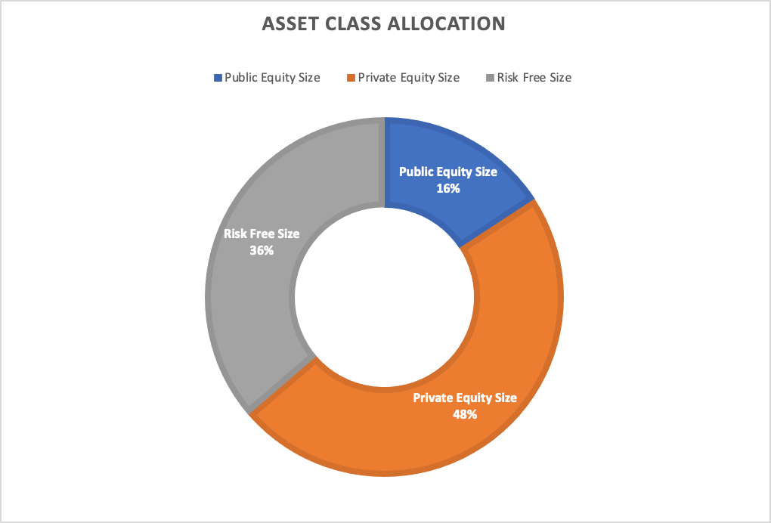
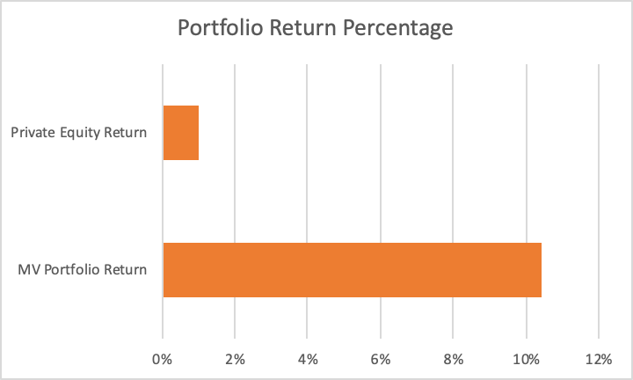
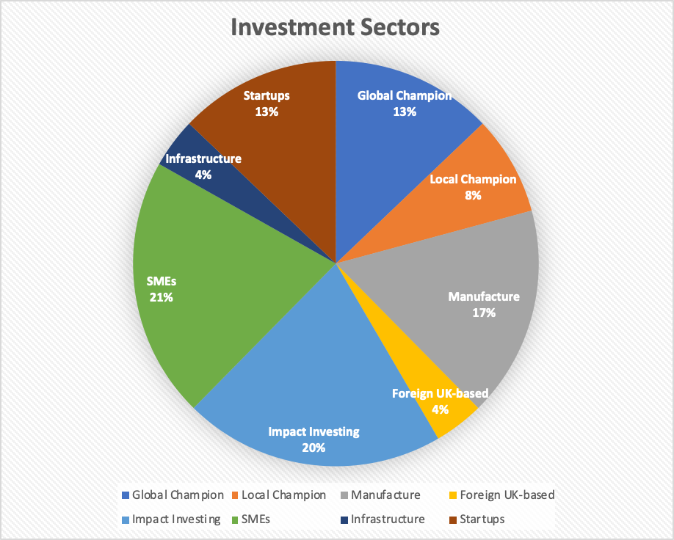
 |  |  | Value | Percentage
Public Equity/Risk Free Side | Statistics | Fund Size | £20,000,000,000 | 100.00%
Risk Free Asset | 69.70% | Public Equity Size | £3,156,250,000 | 15.78%
Fraction in Risky Asset | 30.30% | Private Equity Size | £9,583,333,333 | 47.92%
Mean Return | 20.00% | Risk Free Size | £7,260,416,667 | 36.30%
Return Confidence Interval | (14%,26%)
Volatlity | 9.00% |  | Value | Percentage
Sharpe Ratio | 225.30% | Company Number | 48 | 100%
Data Range | 2010-2020 (10 yr) | Public Equity | 25 | 52%
 |  | Private Equity | 23 | 48%
Private Equity Side | Statistics
Mean Return | 1.60% | Global Champion | 6 | 13%
Return Interval | (1.2%,2.1%) | Local Champion | 4 | 8%
Data Source | Average Dividend Yield | Manufacture | 8 | 17%
 |  | Foreign UK-based | 2 | 4%
Total Portfolio | Statistics | Impact Investing | 10 | 21%
Total Return | 11.18% | SMEs | 10 | 21%
Total Volatility | 9.00% | Infrastructure | 2 | 4%
Return Confidence Interval | (8.45%,15.63%) | Startups | 6 | 13%

